Monday Format
Name (header doesn't show up on Monday.com) | Part No | Description | Qty | Location | Job/Order Number | Deliver to | Status | Request From | Date Requested | Picker | Time Tracking | Item ID | Picked

Technically, you could submit a completely empty request on Monday.com since it doesn't have inherent column requirements. However, some columns have a predefined list of choices, set by Wanco, that you'd have to choose from
In addition, when I say the word "required", I mean the column is required for the stockroom or whichever area you're requesting so they know what to send, how much, and where
 | Green means required column
 | Red means non-required column
 | Orange means this column isn't required, but it's highly recommended to fill out

Name column - it's your own name
Part no column - the part number
Qty column - the amount you want. I have seen that you've put down "as many as there is" as quantity in an email before. The answer is no, it's preferrable that your requested quantity not be infinity
Deliver to - this is one of the predefined choices column, one of thse choices will be the location you want the parts sent to
Status - predefined choices column, the requestor will always set this to "REQUESTED"
Request to - predefined choices column, one of these choices will the location you want to request parts from

Description column - this is the part description. I've never seen a request put onto Monday.com without a part description. It's not required by Monday.com, but the Stockroom people are used to seeing one
Location column - this is for a more accurate location you want the part to be sent to. For example, you'd write ppcb01 or rpcba04 here. This is the only non-required column that you (Rick) can want filled out. The other non-required columns are ones that are handled by other people, you shouldn't change those even if you desired to.

Deliver to Choices
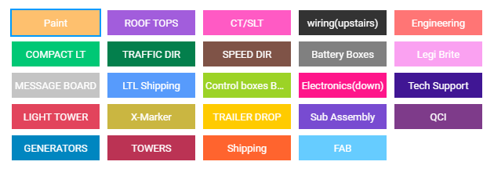

Request from Choices
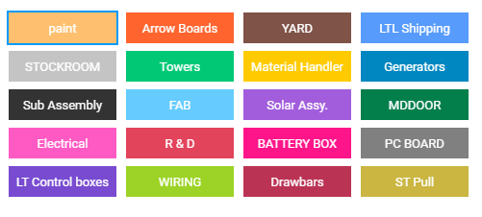

Now, based on the experience from previous programs for this type of stuff. I can make the program generate your name and status. The part no and qty are data that comes from you. Deliver to and Request from would also have to be set by you once the request is on Monday.com

How familiar are you with microsoft excel?

